Sheet1
 |  | Project : | Revenu-Intel | Testing Date: | 21/11/2022
 |  | Ticket Owner: |  | Version: | V1
 |  | Ticket Worked By: |  | Tested By: | Karthi J

 |  | Ticket No:
 |  | Ticket Title/Summary: | Test case for Admin console
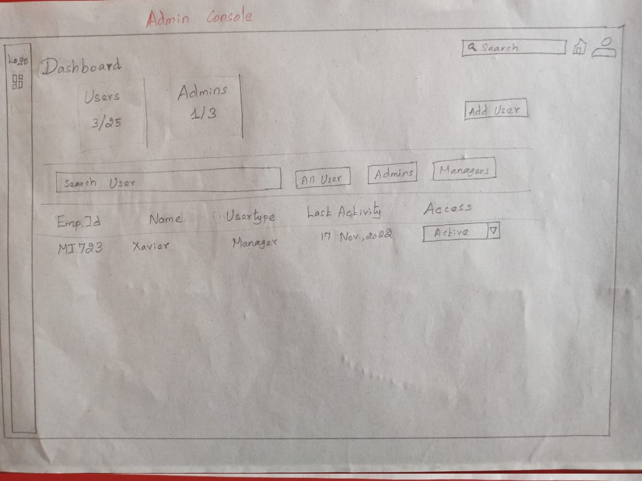

 |  | To verify the User
Test case 1
 | ACU - Admin Console User

Steps no | Test case description | Test Steps | Test Data | Expected Result | Actual Result | Status Pass /Fail | Notes
ACU_01 | Check whether the browser and url are successfully launch |  |  | The selected browser and given url should be opened properly

ACU_02 | To verify the below UI fields are displayed properly Logo, Functions tabs, Overall search bar, Home icon, Profile icon, No of users and admins, Add user. |  |  | The mentioned UI fields should be displayed on the page

ACU_03 | To verify the below UI fields are displayed properly (1-> Search user 2-> All user 3-> Admins 4-> Managers) (5-> Emp Id 6-> Name 7-> User type 8-> Last Activity 9-> Access) (10-> Access Drop down) |  |  | The mentioned UI fields should be displayed on the page

ACU_04 | To verify the Profile icon-> Check whether, it shows admin's details. | To click --> Profile icon |  | It should be shown the admin's details properly

ACU_05 | To verify the Home icon-> | To click --> Home icon |  | It should be navigated to the home page

ACU_06 | To verify the Over all search bar-> | To click --> Search bar | Enter -> "Any keyword" | It should be suggested and shown the similar data and exact data

ACU_07 | To verify the No of users and admins -> Shows correct numbers | Limit of users ->25 Limit of admins ->3 | No.of users -5 No.of admins -2 | It should be displayed the count properly

ACU_08 | To verify the Add user -> | Cick --> Add user |  | When click the button, The pop-up box should be opened.

ACU_09 | To verify the User search-> | Click --> User search bar | Enter either field name -> "Emp Id" "Name" " User type" "Last Activity" "Access" | When admin enters either the following field name,The corresponding user data should come out on the table.

ACU_10 | To verify the All user button-> | Click --> All user button |  | When click the button, It should be displayed all the user's list.

ACU_11 | To verfiy the Admin button -> | Click --> Admin button |  | When click the button, It should be displayed all the admin's list

ACU_12 | To verify the Managers button-> | Click --> Managers button |  | When click the button, It should be displayed all the manager's list

ACU_13 | To verify the Access drop down -> Check whether each option has been working properly | Click --> Active Revoke Deactivated |  | The mentioned drop-down options should be worked properly.

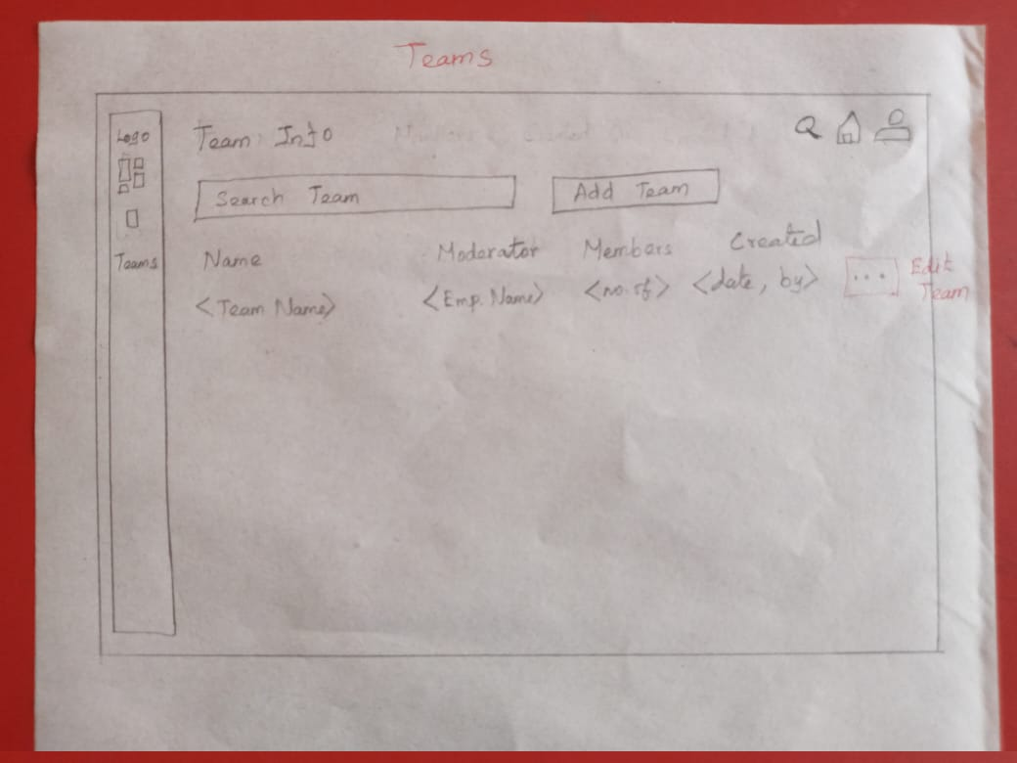

Test case 2 |  | To verify the Team
 | ACT-Admin Console Team

Steps no | Test case description | Test Steps | Test Data | Expected Result | Actual Result | Status Pass /Fail | Notes
ACT_01 | To click the Team tab -> Check whether it is displayed team dashboard | Click --> Team |  | It should be displayed the team dashboard

ACT_02 | To verify the below UI fields are displayed properly 1-> Profile icon, 2-> Home icon, 3-> Overall search bar, 4-> Team Info, 5-> Search team bar, 6-> Add team |  |  | The mentioned UI fields should be displayed on the page

ACT_03 | To verify the below UI fields are displayed properly (1 -> Name 2 -> Moderator 3 -> Members 4 -> Created) (5 -> Edit Team ) |  |  | The mentioned UI fields should be displayed on the page

ACT_04 | To verify the Profile icon-> Check whether, it shows admin's details. | To click --> Profile icon |  | It should be shown the admin's details

ACT_05 | To verify the Home icon-> | To click --> Home icon |  | It should be navigated to the home page

ACT_06 | To verify the Overll all search bar-> | To click --> Search bar | Enter -> "Any keyword" | It should be suggest and shown the similar data and exact data

ACT_07 | To verify the Search team --> | Click --> Search team button | Enter either field name -> "Team name" "Moderator name" "Members" "Created" | When admin enters either the following field name,The corresponding team data should come out on the table.

ACT_08 | To verify the Add team --> | Click --> Add team |  | When click the add team button, The add team box should be opened

ACT_09 | To verify the Edit team --> | Click --> Edit team |  | When click the edit button, The edit pop-up box should be opened

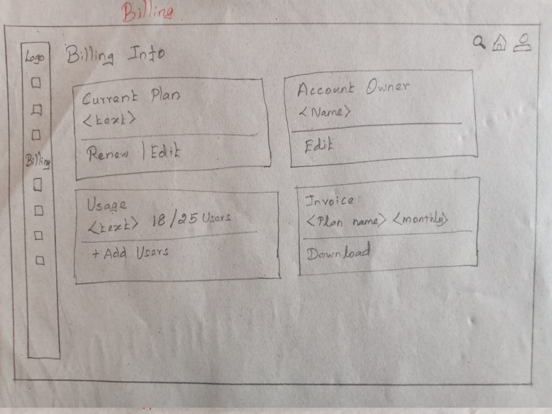

Test case 3 |  | To verify the billing
 | ACB- Admin Console Billing

Steps no | Test case description | Test Steps | Test Data | Expected Result | Actual Result | Status Pass /Fail | Notes
ACB_01 | To click the Billing tab -> Check whether it is displayed billing dashboard | Click --> Billing |  | It should be displayed the Billing dashboard

ACB_02 | To verify the below UI fields are displayed properly 1-> Profile icon, 2-> Home icon, 3-> Overall search bar, |  |  | The mentioned UI fields should be displayed on the page

ACB_03 | To verify the below UI fields are displayed properly Billing Info label Current Plan and their text Renew and edit Account owner<name> Ac edit button Usage and their text No.of usage Add users Invoice <Plan name> <Months> Invoice download. |  |  | The mentioned UI fields should be displayed on the page

ACB_04 | To verify the Profile icon-> Check whether, it shows admin's details. | To click --> Profile icon |  | It should be shown the admin's details

ACB_05 | To verify the Home icon-> | To click --> Home icon |  | It should be navigated to the home page

ACB_06 | To verify the Overll all search bar-> | To click --> Search bar | Enter -> "Any keyword" | It should be suggest and shown the similar data and exact data

ACB_07 | To verify the Edit -> | Click --> Edit |  | When admin clicks the button, The editable plan box should open

ACB_08 | Check whether the account owner name is display | To check --> Account owner <Name> |  | It should be displayed the account owner's name correctly.

ACB_09 | To verify Edit button -> | Click --> Edit |  | When click the button, The editable name should be opened

ACB_10 | Check whether the usage's text details are correct | To check -> Usage text detail |  | It should be displayed the details correctly.

ACB_11 | To verify the user counts -> | To check -> User count Limited user - 25 No.of user - 18 |  | It should be displayed the count correctly

ACB_12 | To verify the add user -> | Click --> Add user |  | when click the button, The add user edit box should be opened.

ACB_13 | To verify the Invoice <Plan name > |  |  | The plan name should be displayed with correct name

ACB_14 | To verify the Invoice < Months> | Click --> Months |  | When click the months button, It should be displayed the history for month wise.

ACB_15 | To verify the download -> | Click --> Download |  | When click the download button, It should download the current Invoice only.

